Sales Dashboard
hhijii
SalesRite Store Performance Dashboard
Total Sales
TTotal Profit
$286,397.02
$2,297,200.86
t\Total Quanty Sold
$37,873.00
Total Orders
$5,009.00
Return Rate%
Profit Margin%
12.47%
5.91%

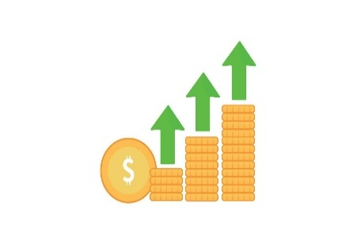

Slicers
Sales & Profit by Region
 | Total Sales | Total Profit
Central | $501,239.89 | $39,706.36
East | $678,781.24 | $91,522.78
South | $391,721.91 | $46,749.43
West | $725,457.82 | $108,418.45
Sales & Profit by Manager
 | Sum of Sales | Sum of Profit
Anna Andreadi | $725,457.82 | $108,418.45
Cassandra Brandow | $391,721.91 | $46,749.43
Chuck Magee | $678,781.24 | $91,522.78
Kelly Williams | $501,239.89 | $39,706.36
Sales by Category
 | Total
Furniture | $741,999.80
Office Supplies | $719,047.03
Technology | $836,154.03

Sales by Sub-Category
 | Total
Phones | $330,007
Chairs | $328,449
Storage | $223,844
Tables | $206,966
Binders | $203,413
Machines | $189,239
Accessories | $167,380
Copiers | $149,528
Bookcases | $114,880
Appliances | $107,532
Furnishings | $91,705
Paper | $78,479
Supplies | $46,674
Art | $27,119
Envelopes | $16,476
Labels | $12,486
Fasteners | $3,024
Returns Rate By Manager
 | Total
Anna Andreadi | 18.37%
Cassandra Brandow | 36.01%
Chuck Magee | 21.13%
Kelly Williams | 25.19%
Sales Trend Over Time (Month/Yearl
 | Total
2022 Apr | 28295.345
2022 Aug | 27909.4685
2022 Dec | 69545.6205
2022 Feb | 4519.892
2022 Jan | 14236.895
2022 Jul | 33946.393
2022 Jun | 34595.1276
2022 Mar | 55691.009
2022 May | 23648.287
2022 Nov | 78628.7167
2022 Oct | 31453.393
2022 Sept | 81777.3508
2023 Apr | 34195.2085
2023 Aug | 36898.3322
2023 Dec | 74919.5212
2023 Feb | 11951.411
2023 Jan | 18174.0756
2023 Jul | 28765.325
2023 Jun | 24797.292
2023 Mar | 38726.252
2023 May | 30131.6865
2023 Nov | 75972.5635
2023 Oct | 31404.9235
2023 Sept | 64595.918
2024 Apr | 38750.039
2024 Aug | 31115.3743
2024 Dec | 96999.043
2024 Feb | 22978.815
2024 Jan | 18542.491
2024 Jul | 39261.963
2024 Jun | 40344.534
2024 Mar | 51715.875
2024 May | 56987.728
2024 Nov | 79411.9658
2024 Oct | 59687.745
2024 Sept | 73410.0249
2025 Apr | 36521.5361
2025 Aug | 63120.888
2025 Dec | 83829.3188
2025 Feb | 20301.1334
2025 Jan | 43971.374
2025 Jul | 45264.416
2025 Jun | 52981.7257
2025 Mar | 58872.3528
2025 May | 44261.1102
2025 Nov | 118447.825
2025 Oct | 77776.9232
2025 Sept | 87866.652

Manager Performance Summary

Top 10 Products by Profit
 | Sales
Canon imageCLASS 2200 Advanced Copier | 61600
Fellowes PB500 Electric Punch Plastic Comb Binding Machine with Manual Bind | 27453
Cisco TelePresence System EX90 Videoconferencing Unit | 22638
HON 5400 Series Task Chairs for Big and Tall | 21871
GBC DocuBind TL300 Electric Binding System | 19823
GBC Ibimaster 500 Manual ProClick Binding System | 19025
Hewlett Packard LaserJet 3310 Copier | 18840
HP Designjet T520 Inkjet Large Format Printer - 24" Color | 18375
GBC DocuBind P400 Electric Binding System | 17965
High Speed Automatic Electric Letter Opener | 17030

